ICE Guidelines
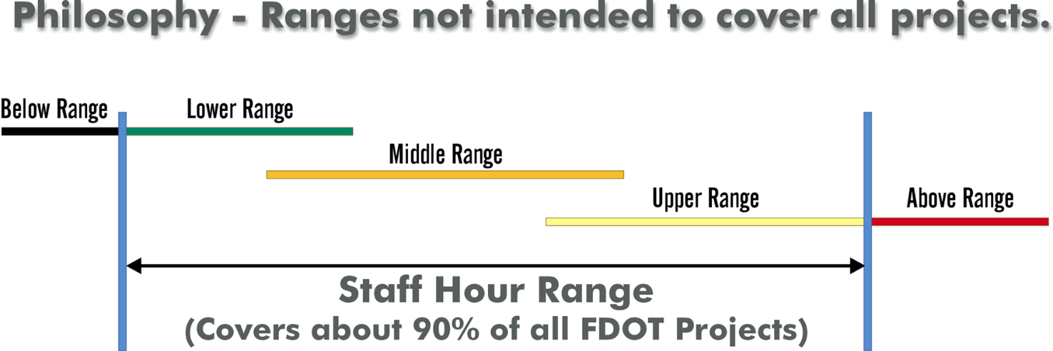
INTERSECTION CONTROL EVALUATION GUIDELINES

The staff hour ranges presented in this section represent the work effort that might be expected for individual design tasks on typical traffic projects. The ranges represent neither the minimum nor maximum hours that might be negotiated on a project for individual design tasks. Hours below or above the presented ranges may be applicable based upon the constraints or requirements that are specific to the individual project. Specific aspects of each individual project should be considered in negotiation hours for each individual task. Whenever possible, examples of individual tasks will be included to provide guidance in determining what types of effort are associated with each individual task.

A "Lower Range" roadway project may fall in the "Middle Range" for ICE projects and vice versa. See the project ranges below. The project ranges should be used only for Reference & Master Design Files and Quantities from Analysis. All other tasks should be defined on task by task basis and should not necessarily use the Project Ranges.

Lower Range

Stage 1: Screening (without DTOE or DDE approval)
Stage 1: Screening (with single selected control strategy w/ no-build)
Stage 1: Screening (with multiple suggested control strategies)

Middle Range

Stage 1: Screening (with additional data collection)
Stage 2: Preliminary Control Strategy Assessment (with single concept w/ no-build, cost, ROW, and environmental analysis)
Stage 2: Preliminary Control Strategy Assessment (with single concept w/ no-build, and additional data)

Upper Range

Stage 2: Preliminary Control Strategy Assessment (with multiple concepts and additional data)
Stage 2: Preliminary Control Strategy Assessment (with multiple concepts and public, local, road user engagement)
Stage 3: Detailed Control Strategy Assessment (with public outreach, development, costs, and environmental analysis - single w/ no-build)
Stage 3: Detailed Control Strategy Assessment (with public outreach, development, costs, and environmental analysis - multiple)
Stage 3: Detailed Control Strategy Assessment (revise design)

