Roadside Hazard
GUARDRAIL LENGTH OF NEED v1.03 - ROADSIDE HAZARD SHIELDING:
For FDOT Design Std. Index 400 DSR |  | Roadway Name / Feature:
 |  | FPID:
 |  | Designer:
PART A: LENGTH OF NEED FOR NEAR LANE
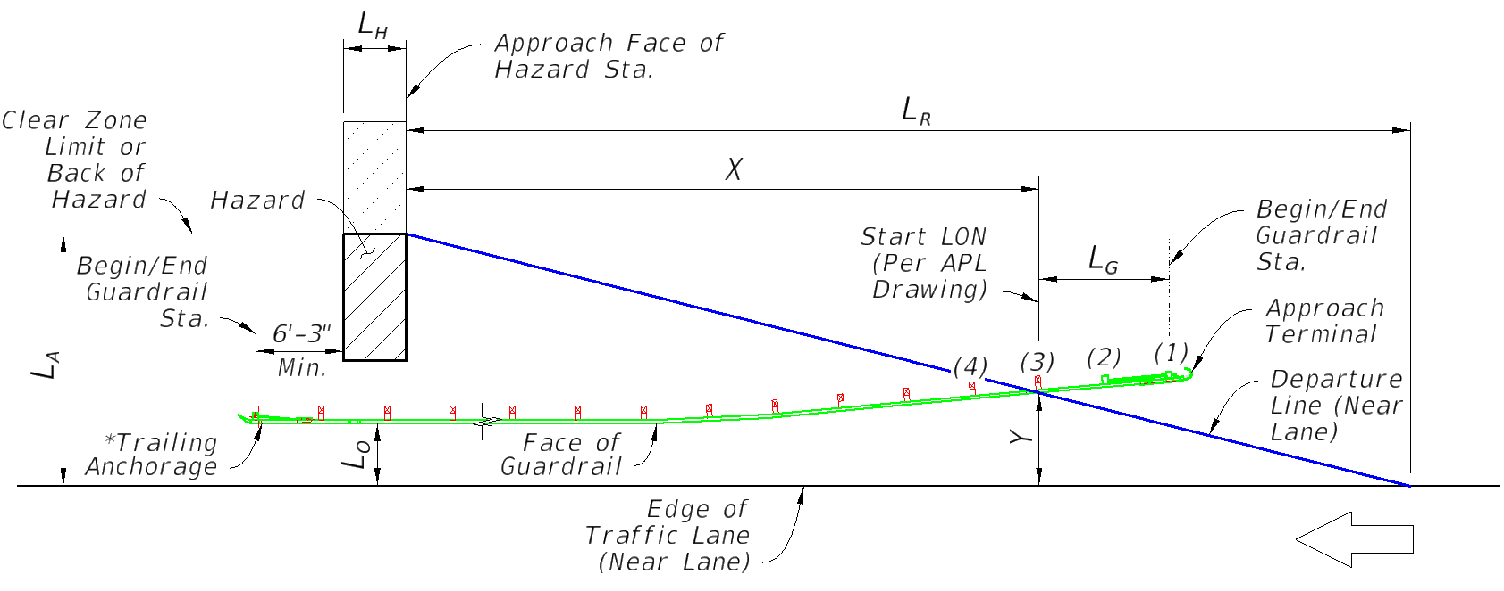

 | Input: | Comment:
Direction of Near Lane Traffic | Westbound | for relative stationing calculations
AADT (Vehicles Per Day) | 10000
Design Speed (MPH) | 50
Approach Face of Hazard Station | 1000 | enter as total feet (do not input a plus sign)
Length of Hazard, LH (Ft.) | 10
Lateral Area Concern, LA (Ft.) | 35 | the lesser distance from the 'Edge of Traffic Lane' to the 'Clear Zone Limit' or 'Back of Hazard'
Lateral Offset of Guardrail, LO (Ft.) | 10 | the typical guardrail offset from the 'Edge of Traffic Lane,' near the 'Hazard' location (outside of flare)
Length of Gating, LG (Ft.) | 12.5 | "Gating" Terminals typically have a 'Start LON' at Post 3 or Post 4, per the APL Drawings. For "Non-Gating" Terminals, the 'Start LON' is at 'Post 1' (LG =0). NOTE: The flare rate effect on LG, assumed parallel to the roadway, is negligible and may be omitted.
Terminal Flare @ Post(1) (Ft.) | 4 | 4 Ft. Max. per Index 400 detail, measured offset at Post(1); enter zero for "Parallel" Terminals
Flare's Taper Length (Ft.) | 35 | default value is acceptable at 35'-0", but this may be refined per specific APL drawing (Input used to calculate 'Y')
 | Output:
End Treatment Offset, Y (Ft.) | 12.6
Runout Length, LR (Ft.) | 230
Length of Need, X (Ft.) | 147.4 | AASHTO RDG (5-3)
Unadjusted Begin/End Guardrail Sta. @ Primary Approach Terminal | 1159.9
Unadjusted Begin/End Guardrail Sta. @ Trailing Anchorage (If Applicable) | 983.8

*NOTE: If the Trailing Anchorage shown herein is in the Clear Zone of an opposing Traffic Lane, use an Approach Terminal in its place.

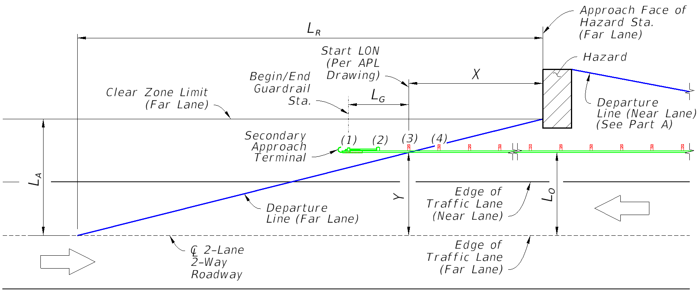
PART B: LENGTH OF NEED FOR FAR LANE - OPPOSING DIRECTION (IF APPLICABLE) ('Part A' Extension, If Required For 2-Lane, 2-Way Road with Hazard in Far Lane's Clear Zone)

 | Input: | Comment:
PART B Required? (User Input Needed) | No | Is this a 2-lane, 2-way road with the Hazard in the Far Lane's Clear Zone limit? If "No" Part B will be excluded from the placement calculation output below.
Lateral Area Concern, LA (Ft.) | 32 | the lesser distance from the 'Edge of Traffic Lane' (Far Lane) to the 'Clear Zone Limit' or 'Back of Hazard'
Lateral Offset of Guardrail, LO (Ft.) | 22 | the typical guardrail offset from the 'Edge of Traffic Lane' (Far Lane), near the 'Hazard' location (outside of flare)
Length of Gating, LG (Ft.) | 12.5 | per the APL Drawings, "Gating" Terminals typically have a 'Start LON' at Post 3 or Post 4. For "Non-Gating" Terminals, the Start LON is at 'Post 1' (LG =0). NOTE: The flare rate effect on Lg, assumed parallel to the roadway, is negligible and may be omitted.
Terminal Flare @ Post(1) (Ft.) | 4 | 4 Ft. Max. per Index 400 detail; measured to Post(1); enter zero for 'Parallel' Terminals
Flare's Taper Length (Ft.) | 35 | default value is acceptable at 35'-0", but this may be refined per specific APL drawing (Input used to calculate 'Y')
 | Output:
End Treatment Offset, Y (Ft.) | N.A.
Direction of Far Lane Traffic | N.A.
Approach Face of Hazard Station (Far Lane) | N.A.
Runout Length, LR (Ft.) | N.A.
Length of Need, X (Ft.) | N.A. | AASHTO RDG (5-3)
Unadjusted Begin/End Guardrail Sta. @ Secondary Approach Terminal | N.A.

DESIGN OUTPUT SUMMARY: GUARDRAIL ROADSIDE HAZARD SHIELDING
 | Limit: | Output:
Adjusted Begin/End Guardrail Sta. @ PRIMARY Approach Terminal (From Part A) | ≥ | 1165 | Outputs assume linear stationing: To adjust for curvature, lengthen the guardrail with the Begin/End Guardrail stations placed outside of the stationing limits shown here. Use CADD measurement to bring the final guardrail length to a multiple of 6'-3" panels.
Guardrail Offset from Nearest Edge of Traffic Lane (Ft.) : |  | 14.0
Adjusted Begin/End Guardrail Sta. @ Trailing Anchorage (Type II) (From Part A, If Applicable) | ≤ | 983.8
Guardrail Offset from Nearest Edge of Traffic Lane (Ft.) : |  | 10.0
Adjusted Begin/End Guardrail Sta. @ SECONDARY Approach Terminal (From Part B, If Applicable) | - | N.A.
Guardrail Offset from Nearest Edge of Traffic Lane (Ft.) : |  | N.A.

