Roadway Guidelines
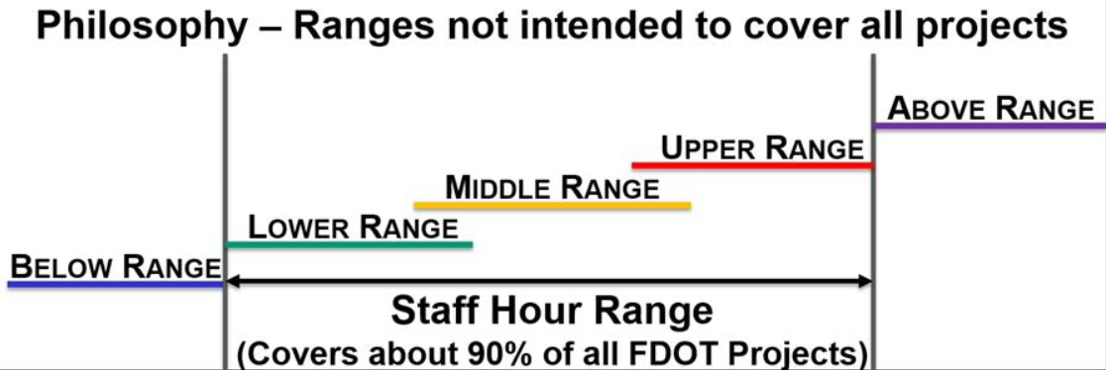
ROADWAY GUIDELINES

The staff hour ranges presented in this section represent the work effort that might be expected for individual design tasks on typical roadway projects, ranging from a standard two-lane rural resurfacing project (lower end of range) to a rural two-lane to four-lane reconstruction project or a multi-lane rural widening project (middle of the range) to a complicated rural or urban reconstruction project or a multi-lane urban widening project (upper end of range). The ranges represent neither the minimum nor maximum hours that might be negotiated on a project for individual design tasks. Hours below or above the presented ranges may be applicable based upon the constraints or requirements that are specific to the individual project. Specific aspects of each individual project should be considered in negotiating hours for each individual task. Whenever possible, examples of individual tasks will be included to provide guidance in determining what types of effort are associated with each individual task.

The following are general examples of the types of projects which would contain work efforts from below the staff hour ranges contained in this handbook to above the ranges. The work efforts for smaller stand-alone projects such as intersection improvements, railroad grade crossing improvements, traffic monitoring sites, sidewalk improvements, etc need to be evaluated not only considering the length of the improvements, but also on the complexity of the specific design features, including drainage, permitting, utilities, signal structures and right-of-way constraints. These factors can result in hours below, within or above the presented ranges being applicable. This list is not all inclusive, or always exact, but will provide the basis for beginning estimation and negotiation of staff hours for a project.

Below Range Projects

· Rural 2-lane resurfacing (with no 3R improvements)
· Safety (Minor Safety Improvements, no ROW impacts)

Lower End of Range Projects

· Rural 2-lane 3R (Minor safety, earthwork and utility involvement)
· Rural 4-Lane 3R (Minor safety, earthwork and utility involvement)
· Urban 3R (Minor safety, earthwork and utility involvement, primarily only milling & resurfacing)
· Multi-Lane limited access resurfacing (no 3R improvements and minimal interchange involvement)

Middle of Range Projects

· Rural 2-Lane 3R (Major safety, earthwork and utility involvement)
· Rural 4-Lane 3R (Major safety, earthwork and utility involvement)
· Urban 3R (Major safety, earthwork and utility involvement)
· Rural 2-Lane to Multi-Lane Widening/Resurfacing (Minor ROW, earthwork and utility impacts)
· Rural 2-Lane New Construction (New alignment, ROW, earthwork and utility impacts)
· Rural 2-Lane to Urban Multi-Lane Reconstruction (Minor ROW and utility impacts, minimal intersection involvement)
· Rural or Urban 4-Lane to 6-Lane Widening/Resurfacing (Widening in median, minor ROW earthwork and utility impacts, minimal
intersection involvement)
· Rural Multi-Lane New Construction (New alignment, ROW, earthwork and utility impacts, minimal intersection involvement)
· Multi-Lane Limited Access Resurfacing (Minor safety, earthwork and utility involvement, minimal interchange involvement)
· Multi-Lane Limited Access Widening/Resurfacing (Minor safety, earthwork and utility involvement, minimal interchange involvement)

Upper End of Range

· Rural 2-Lane to 4-Lane Widening/Resurfacing (Major ROW, earthwork and utility impacts)
· Rural 2-Lane to Urban Multi-Lane Reconstruction (Major ROW and utility impacts, intersection involvement)
· Rural 2-Lane to Urban Multi-Lane Widening/Resurfacing (Utilizing existing pavement, minor cross-slope correction, major ROW and
utility impacts, intersection involvement)
· Multi-Lane Limited Access Resurfacing (Major safety, earthwork and utility involvement)
· Urban Multi-Lane New Construction (New alignment, major ROW and utility impacts, intersection involvement)
· Multi-Lane Limited Access Widening/Resurfacing (Minor ROW and utility impacts, interchange involvement)
· Multi-Lane Limited Access Reconstruction (Minor ROW and utility impacts, interchange involvement)
· Multi-Lane Limited Access New Construction (New alignment, minor ROW and utility impacts, minimal interchange involvement)

Above Range

· Multi-Lane Widening/Resurfacing, Reconstruction or New Alignment with Major Interchange Involvement (Major ROW and utility
impacts, urban interchange involvement, major access management impacts)
· Urban Limited Access (Widening/resurfacing or reconstruction with multi-level interchanges)
· Multi-Lane Limited Access New Construction (New alignment, major ROW and utility impacts, major interchange involvement)

