A. Near Lane; Crash Cush
TEMPORARY BARRIER LENGTH OF NEED v1.1
For FDOT Standard Plans, Indexes 102-100, 102-110, & 102-120 |  | Roadway Name / Feature:
 |  | FPID:
 |  | Designer:
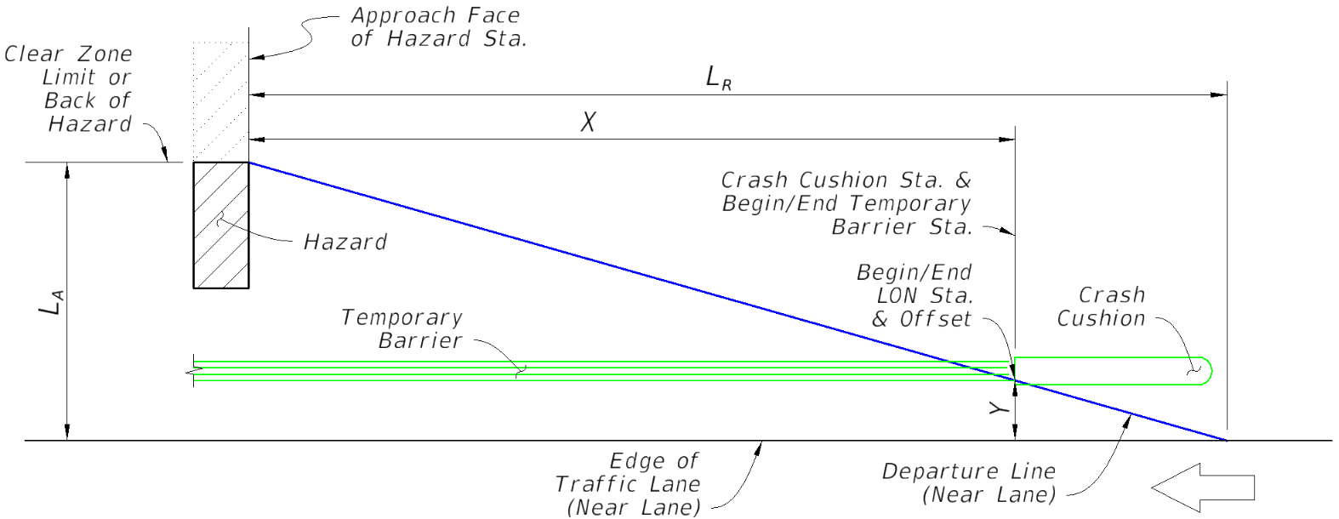
TAB A: SHIELDING OF NEAREST LANE USING TEMPORARY BARRIER & CRASH CUSHION

 | Input: | Comment:
Direction of Near Lane Traffic | Westbound | for relative stationing calculations (Westbound shown, others similar)
AADT (Vehicles Per Day) | 10000
Design Speed (MPH) | 55
Approach Face of Hazard Station | 1000 | enter as total feet (do not input a plus sign)
Lateral Area Concern, LA (Ft.) | 24 | the lesser distance to the 'Clear Zone Limit' or 'Back of Hazard', measured from the 'Edge of Traffic Lane'
Lateral Offset of Barrier, Y (Ft.) | 10 | the barrier's offset from the 'Edge of Traffic Lane', measured from the gutter line at the Start LON location (see Index 544-001 and corresponding SPI)
 | Output:
Runout Length, LR (Ft.) | 265
Length of Need, X (Ft.) | 154.6 | AASHTO RDG (5-3)
Begin/End LON Station (Near Lane Approach) | 1154.6

Trailing End Design Note:
When the facility is a two-lane two-way road with the Hazard or barrier within the Far Lane's Clear Zone Limit, design the Begin/End LON Station for a Crash Cushion on the opposite barrier end using Tab B. For cases where an opposing lane is not within the Clear Zone distance from the Hazard or barrier, extend the trailing end of the barrier beyond the trailing end of the hazard an adequate distance per the requirements of the Standard Plans Instructions.

B. Two-Lane Two-Way; Crash Cush
TEMPORARY BARRIER LENGTH OF NEED v1.1
For FDOT Standard Plans, Indexes 102-100, 102-110, & 102-120 |  | Roadway Name / Feature:
 |  | FPID:
 |  | Designer:
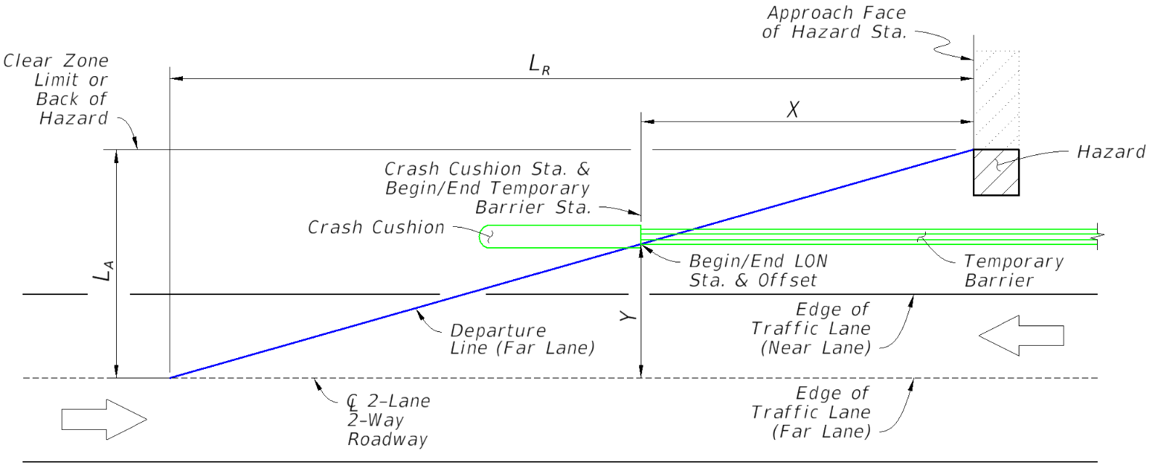
TAB B: SHIELDING FOR FAR LANE OF 2-LANE 2-WAY ROAD: TEMPORARY BARRIER & CRASH CUSHION

 | Input: | Comment:
Direction of Far Lane Traffic | Eastbound | for relative stationing calculations (Eastbound shown, others similar)
AADT (Vehicles Per Day) | 10000
Design Speed (MPH) | 65
Approach Face of Hazard Station | 1000 | enter as total feet (do not input a plus sign)
Lateral Area Concern, LA (Ft.) | 24 | the lesser distance to the 'Clear Zone Limit' or 'Back of Hazard', measured from the 'Edge of Traffic Lane' (Far Lane)
Lateral Offset of Barrier, Y (Ft.) | 10 | the barrier's offset from the 'Edge of Traffic Lane (Far Lane)', measured from the gutter line at the Start LON location (see Index 544-001 and corresponding SPI)
 | Output:
Runout Length, LR (Ft.) | 330
Length of Need, X (Ft.) | 192.5 | AASHTO RDG (5-3)
Begin/End LON Station (Far Lane Approach) | 807.5

Near Lane Design Note:
If only the barrier is within the Clear Zone Limit of the "Far Lane" (Hazard is outside the Clear Zone Limit), apply a Crash Cushion with the Begin/End LON Station located 10 Ft. in advance of the Approach Face of Hazard Station (Locate at X = 10 Ft., as shown on this Tab) For the opposite end of the barrier, design the Begin/End LON Station of a Crash Cushion for the "Near Lane" approach using Tab A.

