A. Near Lane; Crash Cush
CONCRETE BARRIER LENGTH OF NEED v1.1
For FDOT Standard Plans, Index 521-001 |  | Roadway Name / Feature:
 |  | FPID:
 |  | Designer:
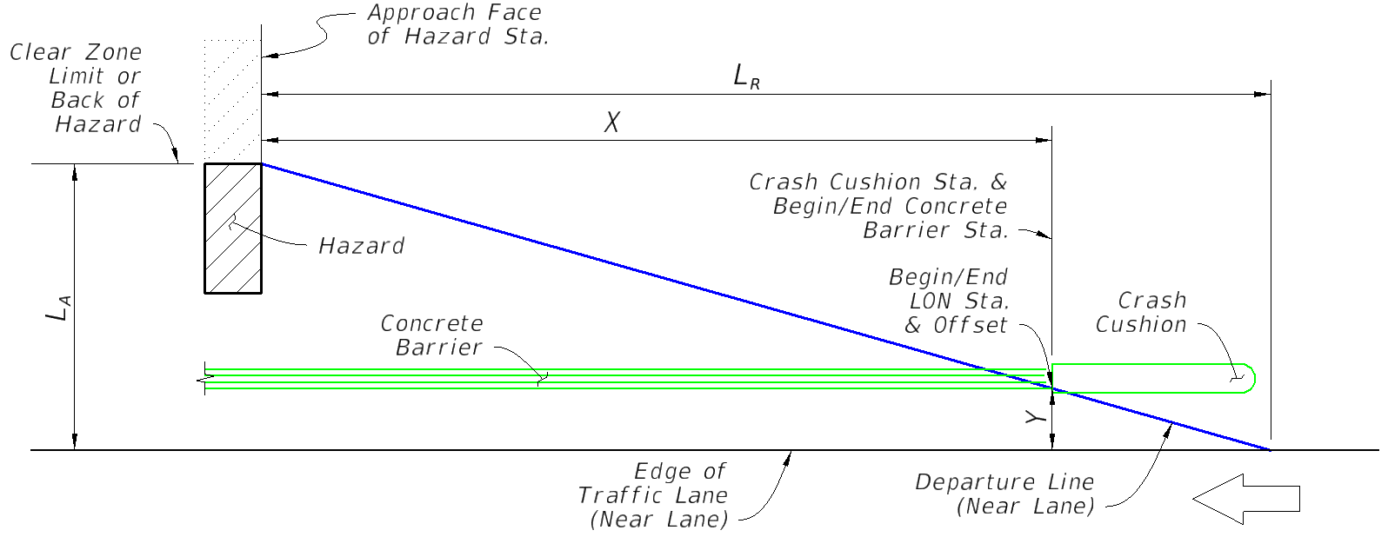
TAB A: SHIELDING OF NEAREST LANE USING CONCRETE BARRIER & CRASH CUSHION

 | Input: | Comment:
Direction of Near Lane Traffic | Westbound | for relative stationing calculations (Westbound shown, others similar)
AADT (Vehicles Per Day) | 10000
Design Speed (MPH) | 55
Approach Face of Hazard Station | 1000 | enter as total feet (do not input a plus sign)
Lateral Area Concern, LA (Ft.) | 24 | the lesser distance to the 'Clear Zone Limit' or 'Back of Hazard', measured from the 'Edge of Traffic Lane'
Lateral Offset of Crash Cushion, Y (Ft.) | 10 | the barrier's offset from the 'Edge of Traffic Lane', measured from the gutter line at the Start LON location (see Index 544-001 and corresponding SPI)
 | Output:
Runout Length, LR (Ft.) | 265
Length of Need, X (Ft.) | 154.6 | AASHTO RDG (5-3)
Begin/End LON Station (Near Lane Approach) | 1154.6

Trailing End Design Note:
When the facility is a two-lane two-way road with the Hazard or barrier within the Far Lane's Clear Zone Limit, design the Begin/End LON Station for a Crash Cushion on the opposite barrier end using Tab B. For cases where an opposing lane is not within the Clear Zone distance from the Hazard or barrier, the trailing end of the barrier may be terminated adjacent to the trailing end of the Hazard. For Guardrail Approach Terminals, See Index 536-001.

B. Two-Lane Two-Way; Crash Cush
CONCRETE BARRIER LENGTH OF NEED v1.1
For FDOT Standard Plans, Index 521-001 |  | Roadway Name / Feature:
 |  | FPID:
 |  | Designer:
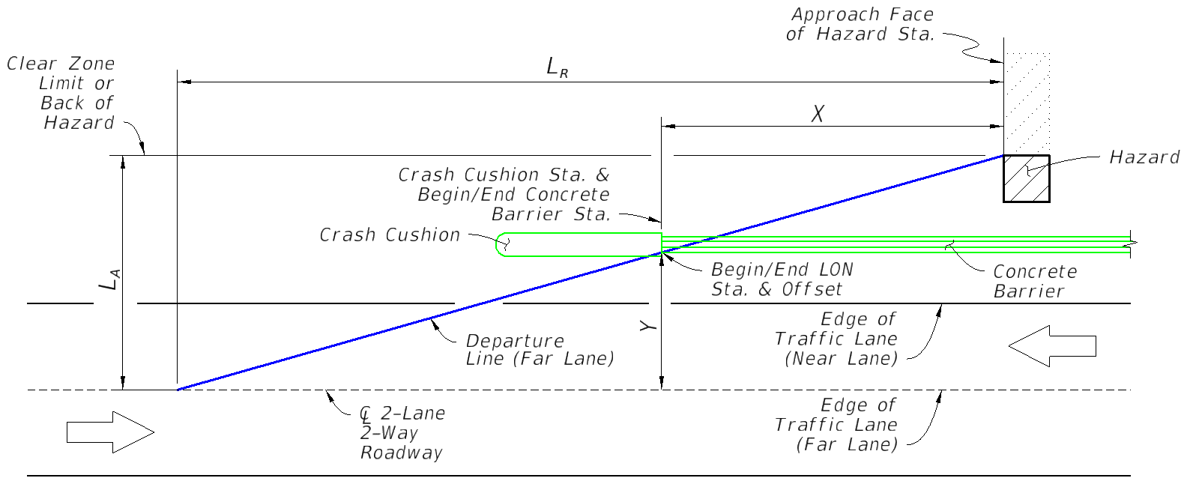
TAB B: SHIELDING FOR FAR LANE OF 2-LANE 2-WAY ROAD: CONCRETE BARRIER & CRASH CUSHION

 | Input: | Comment:
Direction of Far Lane Traffic | Eastbound | for relative stationing calculations (Eastbound shown, others similar)
AADT (Vehicles Per Day) | 10000
Design Speed (MPH) | 65
Approach Face of Hazard Station | 1000 | enter as total feet (do not input a plus sign)
Lateral Area Concern, LA (Ft.) | 24 | the lesser distance to the 'Clear Zone Limit' or 'Back of Hazard', measured from the 'Edge of Traffic Lane' (Far Lane)
Lateral Offset of Crash Cushion, Y (Ft.) | 10 | the barrier's offset from the 'Edge of Traffic Lane (Far Lane)', measured from the gutter line at the Start LON location (see Index 544-001 and corresponding SPI)
 | Output:
Runout Length, LR (Ft.) | 330
Length of Need, X (Ft.) | 192.5 | AASHTO RDG (5-3)
Begin/End LON Station (Far Lane Approach) | 807.5

Near Lane Design Note:
If only the barrier is within the Clear Zone Limit of the "Far Lane" (Hazard is outside the Clear Zone Limit), apply a Crash Cushion with the Begin/End LON Station located 10 Ft. in advance of the Approach Face of Hazard Station (Locate at X = 10 Ft., as shown on this Tab) For the opposite end of the barrier, design the Begin/End LON Station of a Crash Cushion for the "Near Lane" approach using Tab A. For Guardrail Approach Terminals, See Index 536-001.

C. Near Lane; Sloped End
CONCRETE BARRIER LENGTH OF NEED v1.1
For FDOT Standard Plans, Index 521-001 |  | Roadway Name / Feature:
 |  | FPID:
 |  | Designer:
TAB C: SHIELDING OF NEAREST LANE: CURB & GUTTER BARRIER WITH SLOPED END TREATMENT
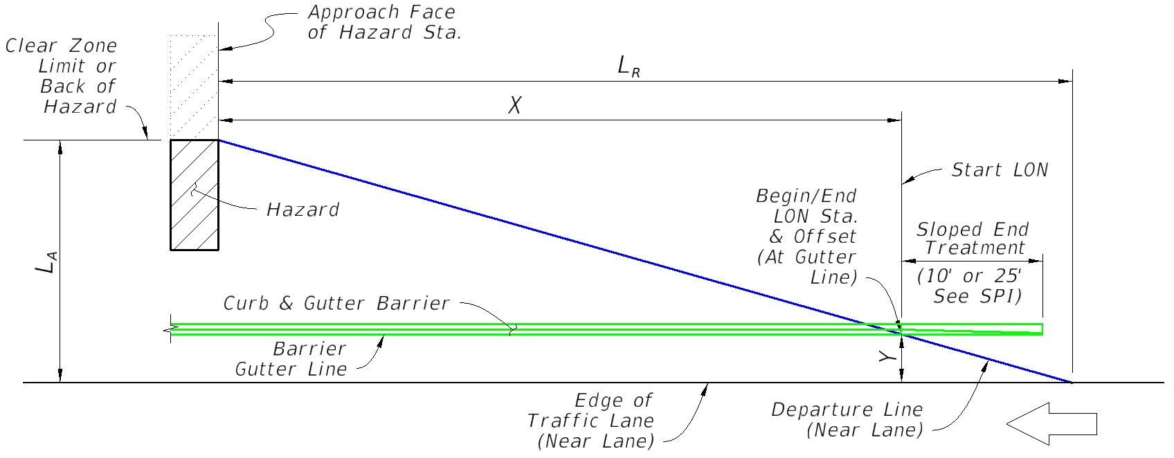

 | Input: | Comment:
Direction of Near Lane Traffic | Westbound | for relative stationing calculations (Westbound shown, others similar)
AADT (Vehicles Per Day) | 10000
Design Speed (MPH) | 45 | 45 MPH is maximum permitted for Curb and Gutter Barrier
Approach Face of Hazard Station | 1000 | enter as total feet (do not input a plus sign)
Lateral Area Concern, LA (Ft.) | 24 | the lesser distance to the 'Clear Zone Limit' or 'Back of Hazard', measured from the 'Edge of Traffic Lane'
Lateral Offset of Barrier, Y (Ft.) | 10 | the Barrier's offset from the 'Edge of Traffic Lane', measured from the Barrier Gutter Line at the Begin/End LON Station
 | Output:
Runout Length, LR (Ft.) | 195
Length of Need, X (Ft.) | 113.8 | AASHTO RDG (5-3)
Begin/End LON Station (Near Lane Approach) | 1113.8

Trailing End Design Note:
When the facility is a two-lane two-way road with the Hazard or barrier within the Far Lane's Clear Zone Limit, design the Begin/End LON Station for a Sloped End Treatment on the opposite barrier end using Tab D. For cases where an opposing lane is not within the Clear Zone distance from the Hazard or barrier, the trailing end of the barrier may be terminated adjacent to the trailing end of the Hazard. For Guardrail Approach Terminals, See Index 536-001.

D. Two-Lane Two-Way; Sloped End
CONCRETE BARRIER LENGTH OF NEED v1.1
For FDOT Standard Plans, Index 521-001 |  | Roadway Name / Feature:
 |  | FPID:
 |  | Designer:
TAB D: SHIELDING FOR FAR LANE OF 2-LANE 2-WAY ROAD: CURB & GUTTER BARRIER WITH SLOPED END TREATMENT
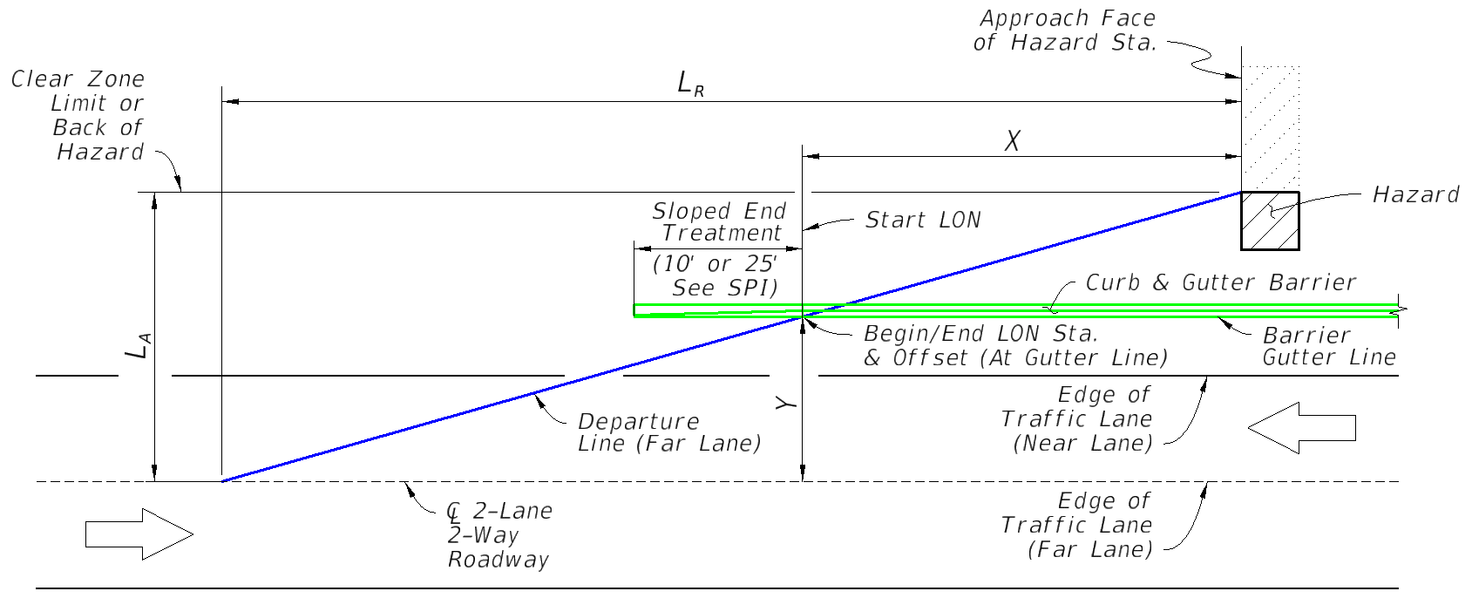

 | Input: | Comment:
Direction of Far Lane Traffic | Eastbound | for relative stationing calculations (Eastbound shown, others similar)
AADT (Vehicles Per Day) | 10000
Design Speed (MPH) | 35 | per the FDM, 35 MPH is maximum permitted for Curb and Gutter Barrier with a Sloped End Treatment
Approach Face of Hazard Station | 1000 | enter as total feet (do not input a plus sign)
Lateral Area Concern, LA (Ft.) | 24 | the lesser distance to the 'Clear Zone Limit' or 'Back of Hazard', measured from the 'Edge of Traffic Lane' (Far Lane)
Lateral Offset of Barrier, Y (Ft.) | 10 | the Barrier's offset from the 'Edge of Traffic Lane' (Far Lane), measured from the Barrier Gutter Line at the Begin/End LON Station
 | Output:
Runout Length, LR (Ft.) | 135
Length of Need, X (Ft.) | 78.8 | AASHTO RDG (5-3)
Begin/End LON Station (Far Lane Approach) | 921.3

Near Lane Design Note:
If only the barrier is within the Clear Zone Limit of the "Far Lane" (Hazard is outside the Clear Zone Limit), apply a Sloped End Treatment with the Begin/End LON Station located adjacent to the Approach Face of Hazard Station (Locate the end tip of the Sloped End Treatment at X = 25 Ft. or X = 10 Ft. for the 25 Ft length and 10 Ft. length Sloped End Treatment options, respectively) For the opposite end of the barrier, design the Begin/End LON Station of a Sloped End Treatment for the "Near Lane" approach using Tab C. For Guardrail Approach Terminals, See Index 536-001

