A. Near Lane; PPB Only
PIER PROTECTION BARRIER LENGTH OF NEED v1.0
For FDOT Standard Plans, Index 521-002 |  | Roadway Name / Feature:
 |  | FPID:
 |  | Designer:
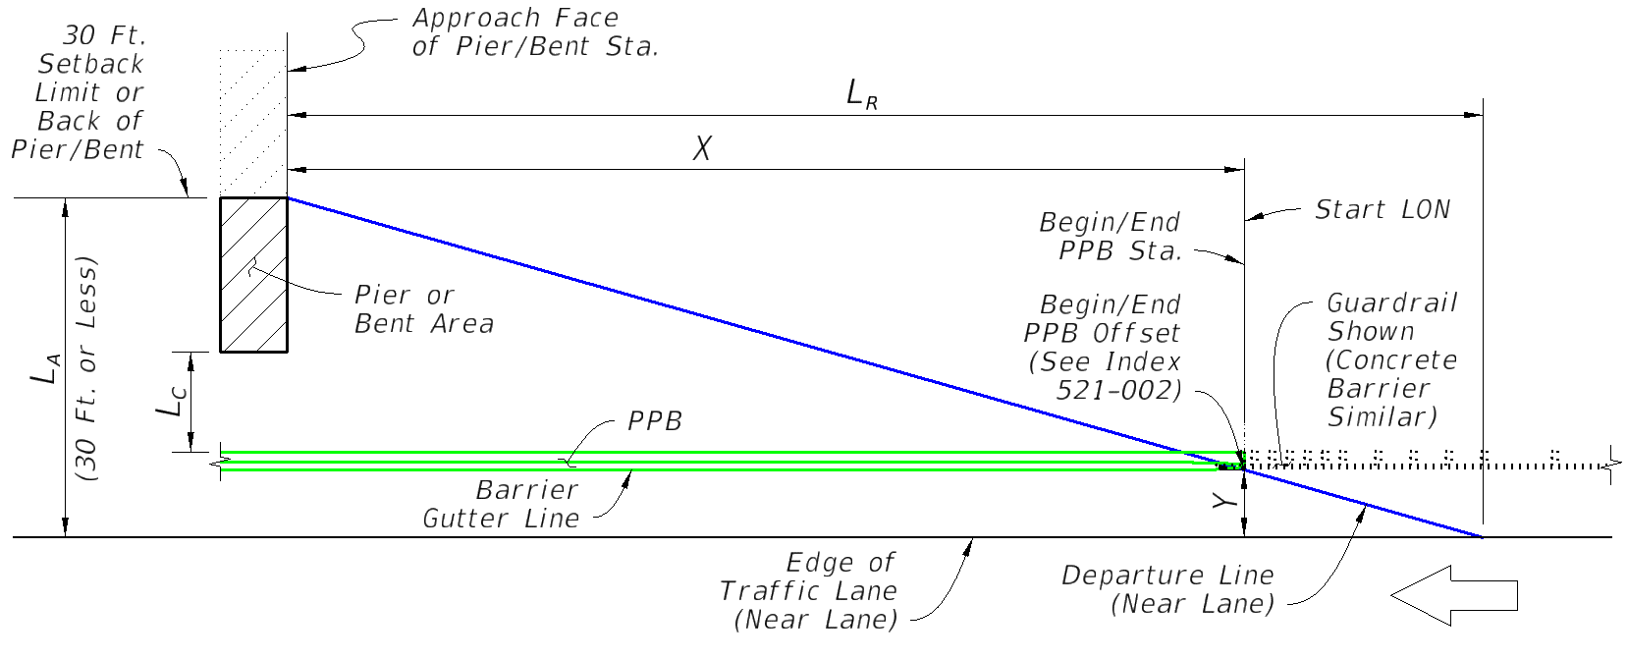
TAB A: SHIELDING OF NEAREST LANE USING PPB ONLY (No Crash Wall)

 | Input: | Comment:
Direction of Near Lane Traffic | Westbound | for relative stationing calculations (Westbound shown, others similar)
AADT (Vehicles Per Day) | 10000
Design Speed (MPH) | 55
Approach Face of Pier/Bent Station | 1000 | enter as total feet (do not input a plus sign)
Lateral Area Concern, LA (Ft.) | 30 | the lesser of the 30 foot setback distance or the distance to the back of the pier/bent, measured from the 'Edge of Traffic Lane'
Lateral Offset of PPB, Y (Ft.) | 10 | the PPB offset from the 'Edge of Traffic Lane', measured at the approach end of the PPB (Begin/End PPB Station point)
Lateral Clearance, LC (Ft.) (Barrier to Pier/Bent) | 10 | minimum distance from the back of barrier to the pier or bent structure (for determination of barrier and crash wall height per AASHTO LRFD 3.6.5.1)
 | Output:
Runout Length, LR (Ft.) | 265
Barrier/Crash Wall Height (In.) | 54
Length of Need, X (Ft.) | 176.7 | AASHTO RDG (5-3)
Begin/End PPB Station (Near Lane Approach) | 1176.7

Trailing End Design Note:
When the facility is a two-lane two-way road with the Pier or Bent within 30 feet of the "Far Lane", design the Begin/End Barrier Sta. or Crash Wall Sta. for the opposite end using Tabs B or D, respectively. For cases where an opposing lane is not within 30 feet of the pier or bent, the trailing end of the barrier may be terminated adjacent to the trailing end of the pier or bent per the Standard Plans Example Layout. This Spreadsheet considers Pier Protection only. Blunt ends of the PPB require crash worthiness considerations for vehicle benefit, such as shielding with Crash Cushions or continuation to Guardrail or Concrete Barrier.

B. Two-Lane Two-Way; PPB Only
PIER PROTECTION BARRIER LENGTH OF NEED v1.0
For FDOT Standard Plans, Index 521-002 |  | Roadway Name / Feature:
 |  | FPID:
 |  | Designer:
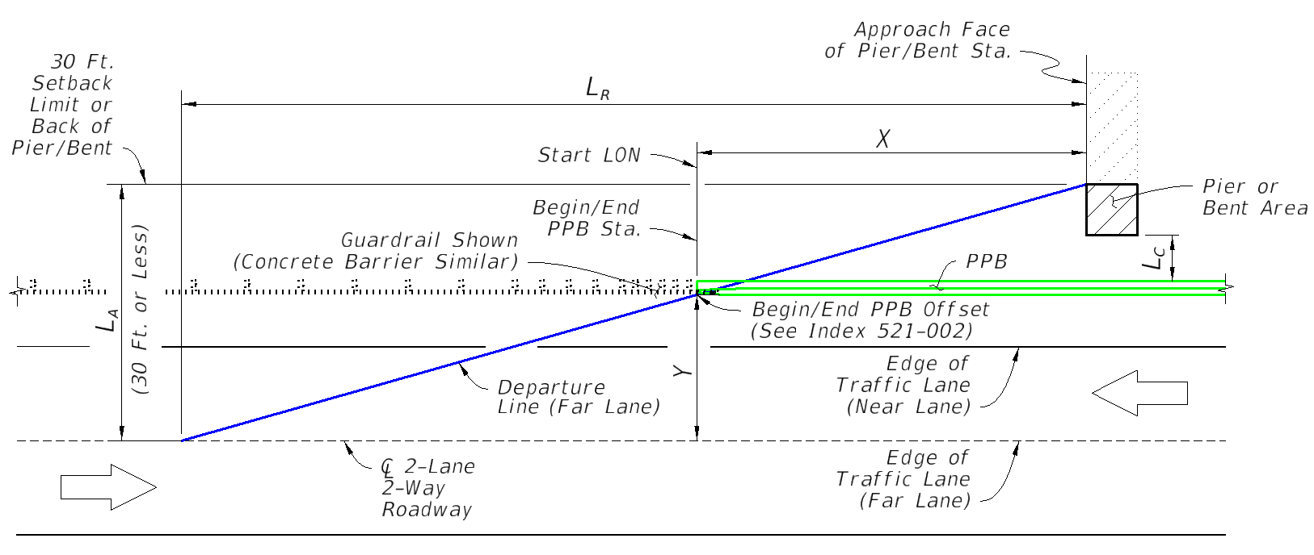
TAB B: SHIELDING FOR FAR LANE OF 2-LANE 2-WAY ROAD USING PPB ONLY (No Crash Wall)

 | Input: | Comment:
Direction of Far Lane Traffic | Eastbound | for relative stationing calculations (Eastbond shown, others similar)
AADT (Vehicles Per Day) | 10000
Design Speed (MPH) | 65
Approach Face of Pier/Bent Station | 1000 | enter as total feet (do not input a plus sign)
Lateral Area Concern, LA (Ft.) | 30 | the lesser of the 30 foot setback distance or the distance to the back of the pier/bent, measured from the 'Edge of Traffic Lane'
Lateral Offset of PPB, Y (Ft.) | 10 | the PPB offset from the 'Edge of Traffic Lane', measured at the approach end of the PPB (Begin/End PPB Station point)
Lateral Clearance, LC (Ft.) (Barrier to Pier/Bent) | 10 | minimum distance from the back of barrier to the pier or bent structure (for determination of barrier and crash wall height per AASHTO LRFD 3.6.5.1)
 | Output:
Runout Length, LR (Ft.) | 330
Barrier/Crash Wall Height (In.) | 54
Length of Need, X (Ft.) | 220.0 | AASHTO RDG (5-3)
Begin/End PPB Station (Far Lane Approach) | 780

Near Lane Design Note:
For the opposing end, design the Begin/End PPB Sta. or Crash Wall Sta. for the "Near Lane" approach using Tabs A or C, respectively. This Spreadsheet considers Pier Protection only. Blunt ends of the PPB require crash worthiness considerations for vehicle benefit, such as shielding with Crash Cushions or continuation to Guardrail or Concrete Barrier.

C. Near Lane; Crash Wall
PIER PROTECTION BARRIER LENGTH OF NEED v1.0
For FDOT Standard Plans, Index 521-002 |  | Roadway Name / Feature:
 |  | FPID:
 |  | Designer:
TAB C: SHIELDING OF NEAREST LANE USING CRASH WALL EXTENSION
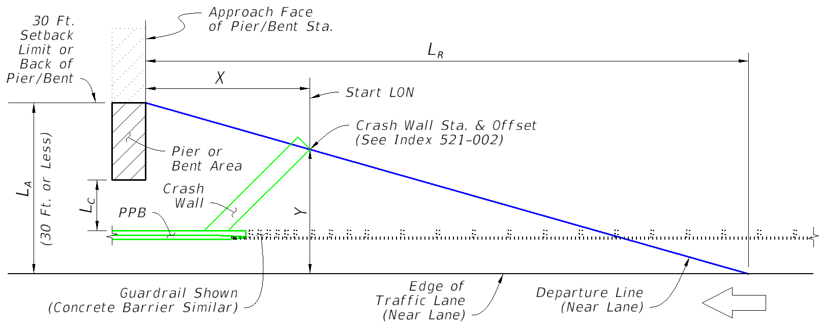

 | Input: | Comment:
Direction of Near Lane Traffic | Westbound | for relative stationing calculations (Westbound shown, others similar)
AADT (Vehicles Per Day) | 10000
Design Speed (MPH) | 65
Approach Face of Pier/Bent Station | 1000 | enter as total feet (do not input a plus sign)
Lateral Area Concern, LA (Ft.) | 30 | the lesser of the 30 foot setback distance or the distance to the back of the pier/bent, measured from the 'Edge of Traffic Lane'
Lateral Offset of Crash Wall, Y (Ft.) | 10 | the Crash Wall's offset from the 'Edge of Traffic Lane', measured from the approach end edge of the Crash Wall (Crash Wall Station Point)
Lateral Clearance, LC (Ft.) (Barrier/Wall to Pier/Bent) | 10 | minimum distance from the back of barrier or crash wall to the pier or bent structure (for determination of barrier and crash wall height per AASHTO LRFD 3.6.5.1)
 | Output:
Runout Length, LR (Ft.) | 330
Barrier/Crash Wall Height (In.) | 54
Length of Need, X (Ft.) | 220.0 | AASHTO RDG (5-3)
Crash Wall Station (Near Lane Approach) | 1220

Trailing End Design Note:
When the facility is a two-lane two way road with the Pier or Bent within 30 feet of the "Far Lane", design the Begin/End Barrier Sta. or Crash Wall Sta. for the opposite end using Tabs B or D, respectively. For cases where an opposing lane is not within 30 feet of the pier or bent, the trailing end of the barrier may be terminated adjacent to the trailing end of the pier or bent per the Standard Plans Example Layout. This Spreadsheet considers Pier Protection only. Crash Wall and blunt ends of the PPB require crash worthiness considerations for vehicle benefit, such as shielding with Crash Cushions or continuation to Guardrail or Concrete Barrier.

D. Two-Lane Two-Way; Crash Wall
PIER PROTECTION BARRIER LENGTH OF NEED v1.0
For FDOT Standard Plans, Index 521-002 |  | Roadway Name / Feature:
 |  | FPID:
 |  | Designer:
TAB D: SHIELDING FOR FAR LANE OF 2-LANE 2-WAY ROAD USING CRASH WALL EXTENSION
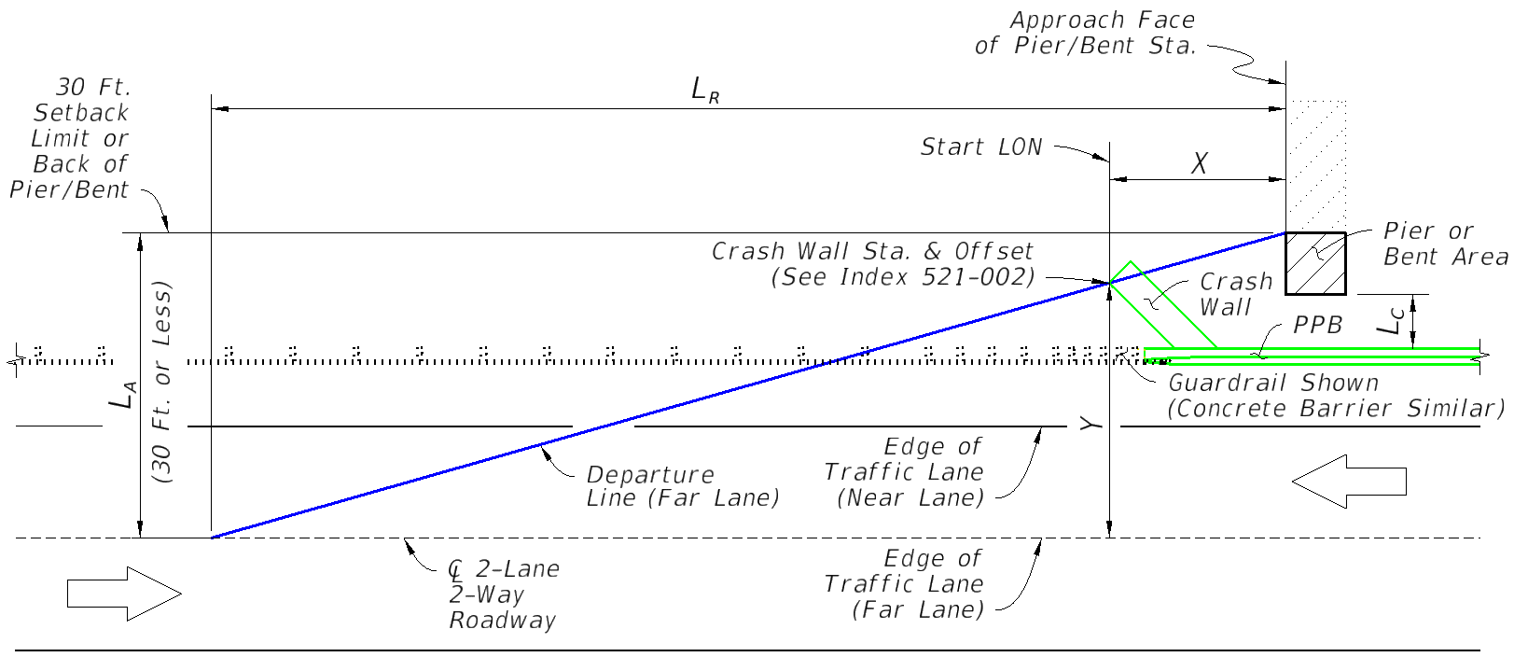

 | Input: | Comment:
Direction of Far Lane Traffic | Eastbound | for relative stationing calculations (Eastbound shown, others similar)
AADT (Vehicles Per Day) | 10000
Design Speed (MPH) | 65
Approach Face of Pier/Bent Station | 1000 | enter as total feet (do not input a plus sign)
Lateral Area Concern, LA (Ft.) | 30 | the lesser of the 30 foot setback distance or the distance to the back of the pier/bent, measured from the 'Edge of Traffic Lane'
Lateral Offset of Crash Wall, Y (Ft.) | 10 | the Crash Wall's offset from the 'Edge of Traffic Lane', measured from the approach end edge of the Crash Wall (Crash Wall Station Point)
Lateral Clearance, LC (Ft.) (Barrier/Wall to Pier/Bent) | 10 | minimum distance from the back of barrier or crash wall to the pier or bent structure (for determination of barrier and crash wall height per AASHTO LRFD 3.6.5.1)
 | Output:
Runout Length, LR (Ft.) | 330
Barrier/Crash Wall Height (In.) | 54
Length of Need, X (Ft.) | 220.0 | AASHTO RDG (5-3)
Crash Wall Station (Far Lane Approach) | 780

Near Lane Design Note:
For the opposing end, design the Begin/End PPB Sta. or Crash Wall Sta. for the "Near Lane" approach using Tabs A or C, respectively. This Spreadsheet considers Pier Protection only. Crash Wall and blunt ends of the PPB require crash worthiness considerations for vehicle benefit, such as shielding with Crash Cushions or continuation to Guardrail or Concrete Barrier.

