Digital Signature-Instructions
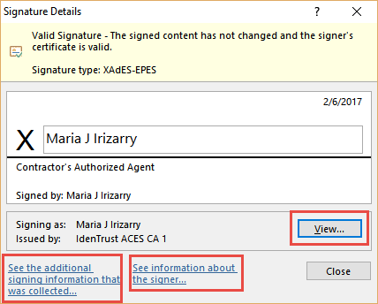
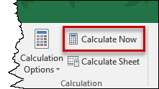 Prior to applying your digital signature in Excel, ensure Calculation Options are set to Manual, then click Calculate Now.

 | Note:
 | If emailing this file, do not use the "Share" option in Excel. This will remove the digital signature/certificate. Instead, attach the digitally signed file to an email. To save the attached file to an email, save using "Drag and Drop" or "Right Click" on the file and select "Save As". Otherwise, a new version of the document will be created, which will invalidate the digital signature.

1. |  | Save document (i.e., "File", "Save As"). Enter required information in the "Setup Tab".

2. |  | Enter quantities in the "FuelWS" Tab as applicable.

3. |  | Select the "View Signatures" button in the "Yellow ribbon" above.
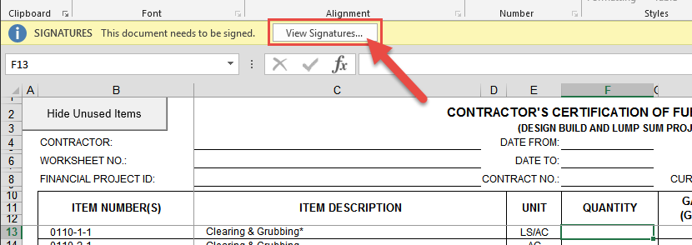

4. |  | The "Signatures" window will open. Select "Contractor's Authorized Agent". Then click on the drop arrow and select "Sign…"
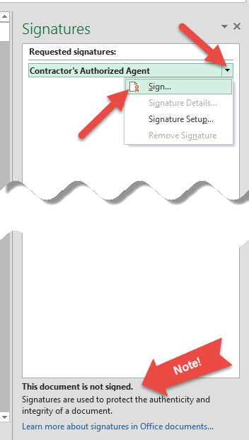

5. |  | Enter the name of the Contractor's Authorized Agent. Optional: Select "Details..." to enter contact information (i.e., address). Select "Sign" to finalize digital signature.
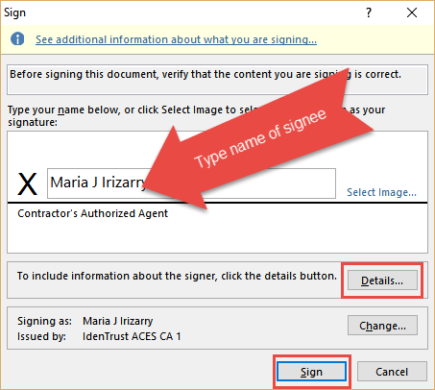

6. |  | Notice that any edits done to the document after it has ben digitally signed will invalidate the signature certificate. The document will have to be created and signed again.

7. |  | View/access the signature after document has been digitally signed:

 | a. | Select "File".
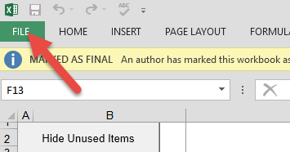

 | b. | Select "View Signatures".
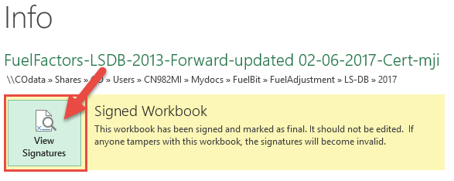

 | c. | Select the drop down arrow and select "Signature Details…"
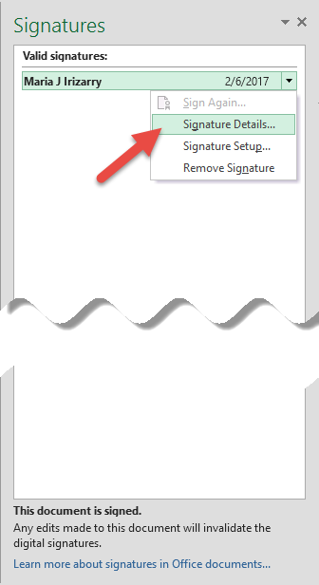

 | d. | Select the different options to see the desired signature details.

