Main
Main Menu

 |  | Note: Check this box to use digital signatures only. Digital signatures are required for use on projects let July 2016 and after.

 | Message Center | 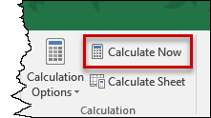 Prior to applying your digital signature in Excel, ensure Calculation Options are set to Manual, then click Calculate Now.

 | Checking Internet Connection

 | Click Here for Form Instructions

